Flintshire
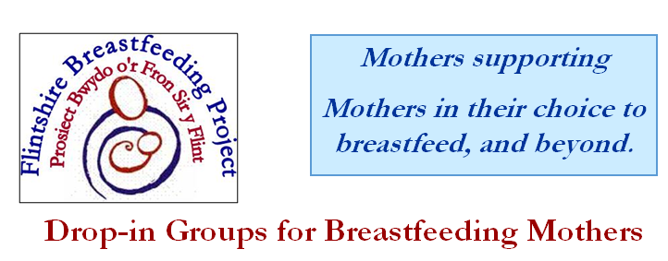
BREASTFEEDING SUPPORT GROUPS

Flintshire Breastfeeding friends
Day | Venue | Time
Monday | Health Centre, Fron Road, CONNAHS QUAY CH5 4PJ | 10:00 - 11:30 am
Tuesday | Flying Start Centre, Prince of Wales Avenue, FLINT CH6 5DL NOT CURRENTLY RUNNING | 10:30-12:00
 | Mold Clinic, King Street, MOLD CH7 1LB | 13:00-14:30
Wednesday | Holywell Hospital, HOLYWELL CH8 7TZ (Flying Start) | 09:30-11:15 am
 | Hope Health Centre, Hawarden Road, HOPE LL12 9NL | 10:00-12:00
Thursday | Aston Family Centre, Larch Avenue, HIGHER SHOTTON, CH5 1NF | 13:00-14:30 pm
Friday | Flying Start Centre, Linden Avenue, CCONNAHS QUAY CH5 4SN | 10:00-11:30

 | For further information call the office on 01244 823 234
 | www.breastfeeding-flintshire.co.uk breastfeeding.support@flintshire.gov.uk
 | Find us on Facebook at Flintshire Breastfeeding Friends

